Front & Preliminaries
 |  |  |  |  | SPECIFICATION | August 2022
 |  |  |  |  | IOGP S-616L | Version 2.0

 | Information Requirements for
 | Line Pipe

 | Revision history
 | VERSION | DATE |  | PURPOSE
 | 2.0 | August 2022 |  | Second Edition
 | 1.0 | January 2019 |  | First Edition

 | Acknowledgements

 | This IOGP Specification was prepared by a Joint Industry Programme 33
 | Standardization of Equipment Specifications for Procurement organized
 | by IOGP with support by the World Economic Forum (WEF).

 | Disclaimer
 | Whilst every effort has been made to ensure the accuracy of the information
 | contained in this publication, neither IOGP nor any of its Members past present or
 | future warrants its accuracy or will, regardless of its or their negligence, assume
 | liability for any foreseeable or unforeseeable use made thereof, which liability is
 | hereby excluded. Consequently, such use is at the recipient’s own risk on the basis
 | that any use by the recipient constitutes agreement to the terms of this disclaimer.
 | The recipient is obliged to inform any subsequent recipient of such terms.
 | Please note that this publication is provided for informational purposes and
 | adoption of any of its recommendations is at the discretion of the user. Except as
 | explicitly stated otherwise, this publication must not be considered as a substitute
 | for government policies or decisions or reference to the relevant legislation relating
 | to information contained in it.
 | Where the publication contains a statement that it is to be used as an industry
 | standard, IOGP and its Members past, present, and future expressly disclaim all
 | liability in respect of all claims, losses or damages arising from the use or
 | application of the information contained in this publication in any industrial application.
 | Any reference to third party names is for appropriate acknowledgement of their
 | ownership and does not constitute a sponsorship or endorsement.

 | Copyright notice
 | The contents of these pages are © International Association of Oil & Gas Producers.
 | Permission is given to reproduce this report in whole or in part provided (i)
 | that the copyright of IOGP and (ii) the sources are acknowledged. All other rights are
 | reserved. Any other use requires the prior written permission of IOGP.
 | These Terms and Conditions shall be governed by and construed in accordance
 | with the laws of England and Wales. Disputes arising here from shall be exclusively
 | subject to the jurisdiction of the courts of England and Wales.

IOGP S-616L (2.0) Information Requirements for
Line Pipe

Foreword

 | This specification was prepared under Joint Industry Programme 33 (JIP33) "Standardization of Equipment Specifications for Procurement" organized by the International Oil & Gas Producers Association (IOGP) with the support from the World Economic Forum (WEF). Companies from the IOGP membership participated in developing this specification to leverage and improve industry level standardization globally in the oil and gas sector. The work has developed a minimized set of supplementary requirements for procurement, with life cycle cost in mind, resulting in a common and jointly agreed specification, building on recognized industry and international standards.

 | Recent trends in oil and gas projects have demonstrated substantial budget and schedule overruns. The Oil and Gas Community within the World Economic Forum (WEF) has implemented a Capital Project Complexity (CPC) initiative which seeks to drive a structural reduction in upstream project costs with a focus on industry-wide, non-competitive collaboration and standardization. The CPC vision is to standardize specifications for global procurement for equipment and packages. JIP33 provides the oil and gas sector with the opportunity to move from internally to externally focused standardization initiatives and provide step change benefits in the sector's capital projects performance.

 | This specification has been developed in consultation with a broad user and supplier base to realize benefits from standardization and achieve significant project and schedule cost reductions.

 | The JIP33 work groups performed their activities in accordance with IOGP's Competition Law Guidelines (November 2020).

 | This second edition cancels and replaces the first edition published in January 2019. Due to technical writing requirements leading to extensive changes, this second edition should be treated as a new document.

IOGP S-616L (2.0) Information Requirements for
Line Pipe

Introduction

 | The purpose of this information requirements specification (IRS) is to define information requirements for the procurement of line pipe in accordance with IOGP S-616 for application in the petroleum and natural gas industries. The IRS defines the information requirements, including format, timing and purpose, for information to be provided by the supplier. It also defines the specific conditions which must be met for conditional information requirements to become mandatory. The information requirements listed in the IRS provide references to the source of the requirement.

 | This IRS shall be used in conjunction with the specification (IOGP S-616), procurement data sheet (IOGP S-616D) and quality requirements specification (IOGP S-616Q) which together comprise the full set of specification documents. The introduction section in the specification provides further information on the purpose of each of these documents and the order of precedence for their use.
 |  |  | 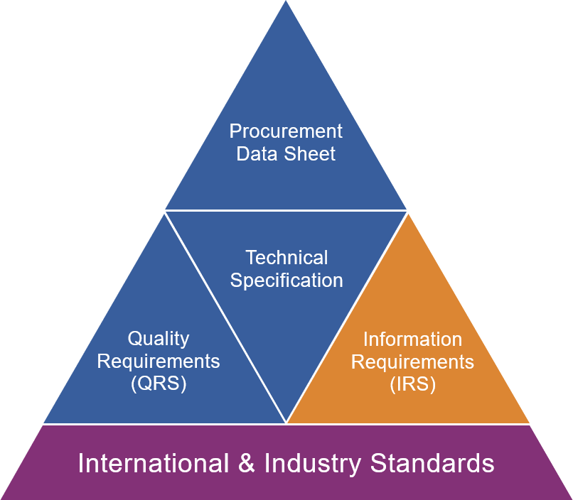
JIP33 Specification for Procurement Documents Information Requirements Specification

Back Cover


