Front & Preliminaries
 |  |  |  |  |  | SPECIFICATION | July 2022
 |  |  |  |  |  | IOGP S-733D | Version 2.0

 | Procurement Data Sheet for
 | Low Voltage Motors
 | (IEEE Std 841)

 | Revision history
 | VERSION |  | DATE |  | PURPOSE
 | 2.0 |  | July 2022 |  | Second Edition
 | 1.0 |  | November 2020 |  | First Edition

 | Acknowledgements

 | This IOGP Specification was prepared by a Joint Industry Programme 33
 | Standardization of Equipment Specifications for Procurement organized
 | by IOGP with support by the World Economic Forum (WEF).

 | Disclaimer
 | Whilst every effort has been made to ensure the accuracy of the information
 | contained in this publication, neither IOGP nor any of its Members past present or
 | future warrants its accuracy or will, regardless of its or their negligence, assume
 | liability for any foreseeable or unforeseeable use made thereof, which liability is
 | hereby excluded. Consequently, such use is at the recipient’s own risk on the basis
 | that any use by the recipient constitutes agreement to the terms of this disclaimer.
 | The recipient is obliged to inform any subsequent recipient of such terms.
 | Please note that this publication is provided for informational purposes and
 | adoption of any of its recommendations is at the discretion of the user. Except as
 | explicitly stated otherwise, this publication must not be considered as a substitute
 | for government policies or decisions or reference to the relevant legislation relating
 | to information contained in it.
 | Where the publication contains a statement that it is to be used as an industry
 | standard, IOGP and its Members past, present, and future expressly disclaim all
 | liability in respect of all claims, losses or damages arising from the use or
 | application of the information contained in this publication in any industrial application.
 | Any reference to third party names is for appropriate acknowledgement of their
 | ownership and does not constitute a sponsorship or endorsement.

 | Copyright notice
 | The contents of these pages are © International Association of Oil & Gas Producers.
 | Permission is given to reproduce this report in whole or in part provided (i)
 | that the copyright of IOGP and (ii) the sources are acknowledged. All other rights are
 | reserved. Any other use requires the prior written permission of IOGP.
 | These Terms and Conditions shall be governed by and construed in accordance
 | with the laws of England and Wales. Disputes arising here from shall be exclusively
 | subject to the jurisdiction of the courts of England and Wales.

IOGP S-733D (2.0) Procurement Data Sheet for
Low Voltage Motors (IEEE Std 841)

Foreword

 | This specification was prepared under Joint Industry Programme 33 (JIP33) "Standardization of Equipment Specifications for Procurement" organized by the International Oil & Gas Producers Association (IOGP) with the support from the World Economic Forum (WEF). Companies from the IOGP membership participated in developing this specification to leverage and improve industry level standardization globally in the oil and gas sector. The work has developed a minimized set of supplementary requirements for procurement, with life cycle cost in mind, resulting in a common and jointly agreed specification, building on recognized industry and international standards.

 | Recent trends in oil and gas projects have demonstrated substantial budget and schedule overruns. The Oil and Gas Community within the World Economic Forum (WEF) has implemented a Capital Project Complexity (CPC) initiative which seeks to drive a structural reduction in upstream project costs with a focus on industry-wide, non-competitive collaboration and standardization. The CPC vision is to standardize specifications for global procurement for equipment and packages. JIP33 provides the oil and gas sector with the opportunity to move from internally to externally focused standardization initiatives and provide step change benefits in the sector's capital projects performance.

 | This specification has been developed in consultation with a broad user and supplier base to realize benefits from standardization and achieve significant project and schedule cost reductions.

 | The JIP33 work groups performed their activities in accordance with IOGP's Competition Law Guidelines (November 2020).

 | This second edition cancels and replaces the first edition published in November 2020 (including Errata 1, January 2021).

Revision Description

 | - The following rows have been added: 13, 16, 38, 107, 109, 116.

 | - The following rows have been edited: 3, 14, 15, 18, 21, 28, 31, 32, 50, 52, 58, 60, 62, 66, 71, 75, 77, 79, 80, 85, 86, 89, 91, 92, 93, 102, 110, 119

IOGP S-733D (2.0) Procurement Data Sheet for
Low Voltage Motors (IEEE Std 841)

Introduction

 | The purpose of this procurement data sheet is to define purchaser specific requirements for the procurement of low voltage motors and shall be used in conjunction with IEEE Std 841-2021, IEEE Standard for Petroleum and Chemical Industry— Premium-Efficiency, Severe-Duty, Totally Enclosed Squirrel Cage Induction Motors from 0.75 kW to 370 kW (1 hp to 500 hp).
 | This procurement data sheet defines application specific requirements, attributes and options specified by the purchaser for the supply of the equipment. This procurement data sheet may also include fields for supplier-provided information attributes subject to purchaser’s technical evaluation. Additional purchaser supplied documents may also be incorporated or referenced in the procurement data sheet to define the scope and the technical requirements for enquiry and purchase of the equipment.
 | Purchaser required quality and information requirements are also included in this procurement data sheet.
 | This procurement data sheet is in accordance with IEEE Std 841-2021. However, it excludes medium voltage motors.
 | The terminology used within this data sheet follows that of IEEE Std 841-2021 and is in accordance with ISO/IEC Directives, Part 2 as appropriate.
 | This procurement data sheet is published as an editable document for the purchaser to specify application specific requirements.

 | Information requirements
 | Information requirements are defined under the Documentation section of this procurement data sheet.

 | Inspection and testing requirements
 | Inspection and testing requirements are defined under the Inspection and testing section of this procurement data sheet.

 | Quality management system
 | The supplier quality management system shall conform to one of the following: ISO 9001, ISO 29001, API Specification Q1 or an equivalent quality management system standard.

 | Normative references
 | The following documents are referred to in the procurement data sheet in such a way that some or all of their content constitutes requirements of this document. For dated references, only the edition cited applies. For undated references, the latest edition of the referenced document (including any amendments) applies.
 | — | UL Standard 674, Electric Motors and Generators for Use in Hazardous (Classified) Locations
 | — | ISO 12944-1, Paints and varnishes — Corrosion protection of steel structures by protective paint systems — Part 1: General introduction
 | — | ISO 12944-2, Paints and varnishes — Corrosion protection of steel structures by protective paint systems — Part 2: Classification of environments
 | — | API Standard 610, Centrifugal Pumps for Petroleum, Petrochemical and Natural Gas Industries
 | — | API Standard 661, Petroleum, Petrochemical, and Natural Gas Industries—Air-Cooled Heat Exchangers

 | Order of precedence
 | The order of precedence (highest authority listed first) of the documents shall be:
 | a) | regulatory requirements;
 | b) | contract documentation (e.g. purchase order);
 | c) | purchaser defined requirements (procurement data sheet);
 | d) | IEEE Std 841-2021.

 |  |  |  | 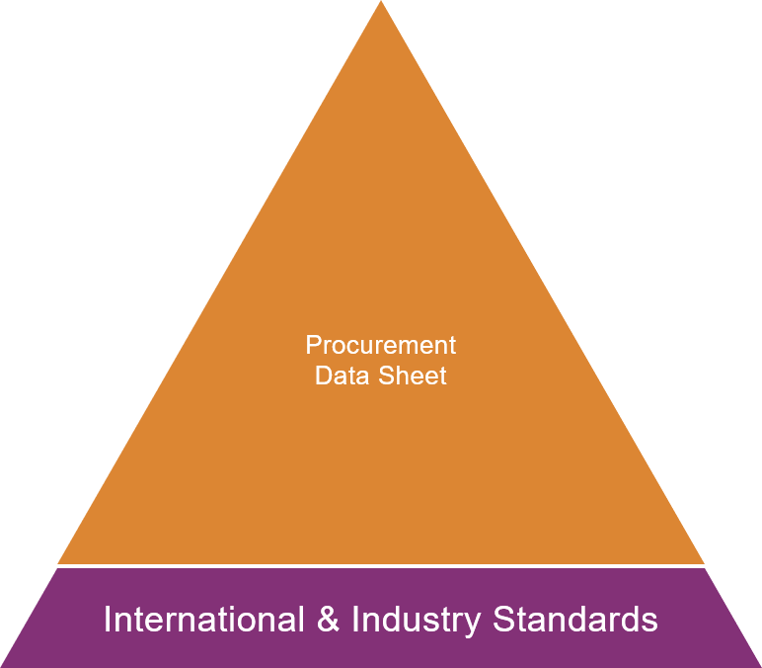
JIP33 Specification for Procurement Documents Procurement Data Sheet

Back Cover


