Front & Preliminaries
 |  |  |  |  | SPECIFICATION | DECEMBER
 |  |  |  |  | S-613L | 2018

Information Requirements for Air Dryer Packages

 | Revision history
 | VERSION |  | DATE | AMENDMENTS
 | 1.0 |  | December 2018 | Issued for Publication

 | Acknowledgements

 | This IOGP Specification was prepared by a Joint Industry Project 33
 | Standardization of Equipment Specifications for Procurement organized
 | by IOGP with support by the World Economic Forum (WEF).

 | Disclaimer
 | Whilst every effort has been made to ensure the accuracy of the information
 | contained in this publication, neither IOGP nor any of its Members past present or
 | future warrants its accuracy or will, regardless of its or their negligence, assume
 | liability for any foreseeable or unforeseeable use made thereof, which liability is
 | hereby excluded. Consequently, such use is at the recipient’s own risk on the basis
 | that any use by the recipient constitutes agreement to the terms of this disclaimer.
 | The recipient is obliged to inform any subsequent recipient of such terms.
 | This publication is made available for information purposes and solely for the private
 | use of the user. IOGP will not directly or indirectly endorse, approve or accredit the
 | content of any course, event or otherwise where this publication will be reproduced.

 | Copyright notice
 | The contents of these pages are © International Association of Oil & Gas Producers.
 | Permission is given to reproduce this report in whole or in part provided (i)
 | that the copyright of IOGP and (ii) the sources are acknowledged. All other rights are
 | reserved. Any other use requires the prior written permission of IOGP.
 | These Terms and Conditions shall be governed by and construed in accordance
 | with the laws of England and Wales. Disputes arising here from shall be exclusively
 | subject to the jurisdiction of the courts of England and Wales.

Information requirements for
Air Dryer Packages

Foreword

This specification was prepared under a Joint Industry Project 33 (JIP33) “Standardization of Equipment Specifications for Procurement” organized by the International Oil & Gas Producers Association (IOGP) with the support from the World Economic Forum (WEF). Ten key oil and gas companies from the IOGP membership participated in developing this specification under JIP33 Phase 2 with the objective to leverage and improve industry level standardization for projects globally in the oil and gas sector. The work has developed a minimized set of supplementary requirements for procurement, with life cycle cost in mind, based on the ten participating members’ company specifications, resulting in a common and jointly approved specification, and building on recognized industry and/or international standards.

This specification has been developed in consultation with a broad user and supplier base to promote the opportunity to realize benefits from standardization and achieve significant cost reductions for upstream project costs. The JIP33 work groups performed their activities in accordance with IOGP’s Competition Law Guidelines (November 2014).

Recent trends in oil and gas projects have demonstrated substantial budget and schedule overruns. The Oil and Gas Community within the World Economic Forum (WEF) has implemented a Capital Project Complexity (CPC) initiative which seeks to drive a structural reduction in upstream project costs with a focus on industry-wide, non-competitive collaboration and standardization. The vision from the CPC industry is to standardize specifications for global procurement for equipment and packages, facilitating improved standardization of major projects across the globe. While individual oil and gas companies have been improving standardization within their own businesses, this has limited value potential and the industry lags behind other industries and has eroded value by creating bespoke components in projects.

This specification aims to significantly reduce this waste, decrease project costs and improve schedule through pre-competitive collaboration on standardization.

Following agreement of the relevant JIP33 work group and approval by the JIP33 Steering Committee, the IOGP Management Committee has agreed to the publication of this specification by IOGP. Where adopted by the individual operating companies, this specification and associated documentation aims to supersede existing company documentation for the purpose of industry-harmonized standardization.

IOGP S-613L Version 1.0
Information requirements for
Air Dryer Packages

Introduction

The purpose of this information requirements specification (IRS) is to define Information requirements for the supply air dryer packages for application in the petroleum and natural gas industries. This document defines the information requirements, including format, timing and purpose, for information to be provided by the manufacturer. It also defines the specific conditions which must be met for conditional information requirements to become mandatory. The information requirements listed in the IRS provide references to the source of the requirement.

This IRS it to be used in conjunction with the supplementary requirements specification (IOGP S-613), quality requirements specification (IOGP S-613Q) and equipment datasheets (IOGP S-613D) which together comprise the full set of specification documents. The Introduction section in the supplementary requirements specification provides further information on the purpose of each of these documents and the order of precedence for their use.

 |  | 
JIP33 Specification for Procurement Documents Information Requirements Specification

IOGP S-613L Version 1.0

Instructions
Information requirements for
Air Dryer Packages
Instructions & Guidance

Sheets with Green coloured tabs are those which are to be issued to suppliers
Sheets with Red tabs are for user / buyer information only

This workbook contains a hidden sheet ('Pick Lists') which is used for drop down menu selection within the main part of this workbook.

1 | Front & Preliminaries Tab

The 'Front & Preliminaries ' tab includes an IOGP Front sheet for the IRS followed by Acknowledgements, a Disclaimer, Copyright Notice, Foreword and Introduction

2 | 'IRS Cover' Tab

The 'IRS Cover' tab has been included for Company and/or Contractor Buyers to update and include as a Cover Sheet for the issue of the IRS to Suppliers, but Users may replace this sheet with an alternative User or Project format.

3 | 'Deliverables' Tab

The 'Deliverables' tab includes columns A to L, including Column A for the relevant requirement code and Column B for the Requirement for the different Information Deliverables (Data, Documents and/or Models) to be provided by suppliers, based on the parent standard, IOGP Supplement or the specified parent industry Standard. Condition Invoking Revoking Requirement Column C is included to allow any specific conditions to be identified that may require a additional deliverable(s). Typical Deliverable Column D is provided for Buyer to identify the deliverable type that the information would typically appear within; this also allows the buyer's Requisitioning Engineers to group the various Information Requirements by Deliverable Type. Column E includes Submission Requirements (Yes or No) at Proposal, while columns F, G & H identify Issue Purpose (For Information or For Acceptance) and Durations (Period or Weeks/Months) for First Issue of the particular deliverable Post Purchase Order. [Note for Buyer - default values in the downloadable IRS are set to the equivalent of CAS level D, as defined in the QRS. Buyer is to adjust the values in these columns to match the actual CAS level for the specific application]. Required As Built, Fulfilled by Document Number(s), Translation Required and Remarks columns I, J, K & L are also included. Definitions for each column are contained in the rows above the columns: Abbreviations used for various submission requirements in Column H are shown in table 3.1 below:

Table 3.1 - Information Submission Abbreviations

4 | 'Definitions' Tab

The 'Definitions' tab includes several columns A to F, including Column A for the relevant Code & Column B for the Requirement for the different Information (Data, Documents and/or Models) Deliverables to be provided by Suppliers, all copied from the 'Deliverable's tab. Column C includes a full description of the Information Deliverable based on the Parent Standard, IOGP Supplement or an Industry Standard. Column D gives a reference to the Parent Standard, IOGP Supplement or an Industry Standard that the Information deliverable is identified in. Column E identifies the Deliverable format as listed in Table 9.1 below. Column F relates the CFIHOS discipline document type that could be used to classify the document having this IRS content. Definitions for each column are contained in the rows above the columns:

5 | 'Instructions' Tab

This 'Instructions' tab is provided to instruction & guidance to Company, Contractor, Buyer and/or Suppliers in the use of this IRS.

6 | Abbreviations and definitions

The following abbreviations, terms and definitions have been used in the various tabs of this workbook.

Buyer |  | Organisation placing a Contract or Purchase Order with Supplier for equipment or services on project; may be alternatively referred to as 'User' or 'Purchaser'
CFIHOS |  | Capital Facilities Information Hand Over Specification
Company |  | Project Operating Entity or the organisation Contractor is under contract to
Contractor |  | Project Contractor responsible for procuring equipment.
Information |  | Data, Documents and/or Models
IRS |  | Information Requirements Specification
PO |  | Purchase Order
QRS |  | Quality Requirements Specification
SMIS |  | Supplier Master Information Schedule
Supplier |  | Organisation supplying equipment or services to Company and/or Contractor on project; may alternatively be referred to as "Vendor", "Seller" or “Manufacturer”.

7 | CFIHOS

The Information Requirements and Deliverables described in this IRS are also published within the CFIHOS (Capital Facilities Information Hand Over Specification) Industry Standard. The objective of CFIHOS is to create a common information standard across the Oil and Gas industry to facilitate efficient information exchange on projects. Further information on CFIHOS can be found at http://uspi-global.org/index.php/projects/frameworks-methodologies/136-cfihos

8 | Document Metadata

Typical Metadata for Information Deliverables to be provided by Suppliers is shown in Table 8.1 below

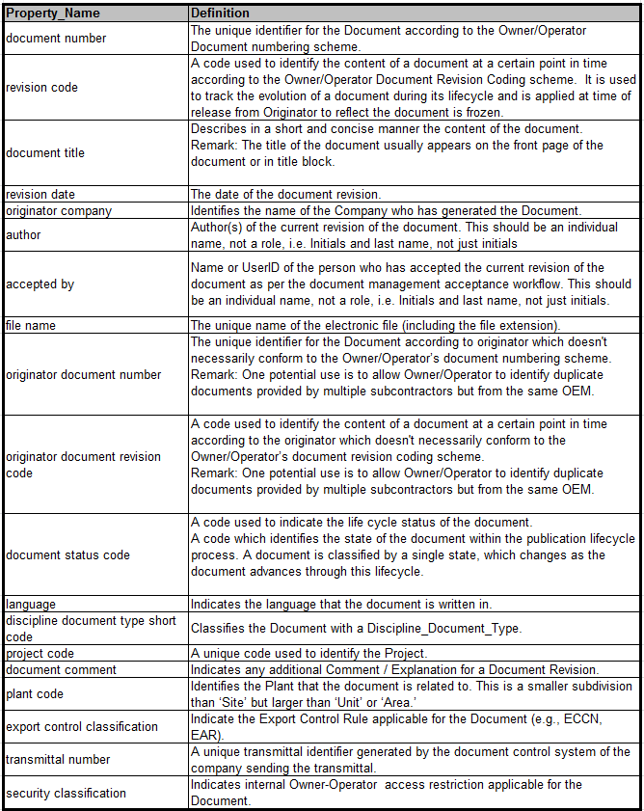
Table 8.1 - Supplier Deliverable Metadata
9 | Deliverable Formats

The format of the relevant Information Deliverable to be submitted by Supplier for Buyer/Contractor is to be as described in table 9.1 below. Where required to be ‘As Built’ deliverables are be updated and handed over in the native format.

Table 9.1 – Deliverable Formats

Back


