Front & Preliminaries
 |  |  |  | SPECIFICATION | January
 |  |  |  | S-562L | 2019

Information requirements for Ball Valves

 | Revision history
 | VERSION | DATE | AMENDMENTS
 | 3.0 | January 2019 | Issued for Publication
 | 2.0 | December 2016 | Issued for Information

 | Acknowledgements

 | This IOGP Specification was prepared by a Joint Industry Project 33
 | Standardization of Equipment Specifications for Procurement organized
 | by IOGP with support by the World Economic Forum (WEF).

 | Disclaimer
 | Whilst every effort has been made to ensure the accuracy of the information
 | contained in this publication, neither IOGP nor any of its Members past present or
 | future warrants its accuracy or will, regardless of its or their negligence, assume
 | liability for any foreseeable or unforeseeable use made thereof, which liability is
 | hereby excluded. Consequently, such use is at the recipient’s own risk on the basis
 | that any use by the recipient constitutes agreement to the terms of this disclaimer.
 | The recipient is obliged to inform any subsequent recipient of such terms.
 | This publication is made available for information purposes and solely for the private
 | use of the user. IOGP will not directly or indirectly endorse, approve or accredit the
 | content of any course, event or otherwise where this publication will be reproduced.

 | Copyright notice
 | The contents of these pages are © International Association of Oil & Gas Producers.
 | Permission is given to reproduce this report in whole or in part provided (i)
 | that the copyright of IOGP and (ii) the sources are acknowledged. All other rights are
 | reserved. Any other use requires the prior written permission of IOGP.
 | These Terms and Conditions shall be governed by and construed in accordance
 | with the laws of England and Wales. Disputes arising here from shall be exclusively
 | subject to the jurisdiction of the courts of England and Wales.

Information requirements for
Ball Valves

Foreword

This specification was prepared under a Joint Industry Project 33 (JIP33) “Standardization of Equipment Specifications for Procurement” organized by the International Oil & Gas Producers Association (IOGP) with the support from the World Economic Forum (WEF). Ten key oil and gas companies from the IOGP membership participated in developing this specification under JIP33 Phase 2 with the objective to leverage and improve industry level standardization for projects globally in the oil and gas sector. The work has developed a minimized set of supplementary requirements for procurement, with life cycle cost in mind, based on the ten participating members’ company specifications, resulting in a common and jointly approved specification, and building on recognized industry and/or international standards.

This specification has been developed in consultation with a broad user and supplier base to promote the opportunity to realize benefits from standardization and achieve significant cost reductions for upstream project costs. The JIP33 work groups performed their activities in accordance with IOGP’s Competition Law Guidelines (November 2014).

Recent trends in oil and gas projects have demonstrated substantial budget and schedule overruns. The Oil and Gas Community within the World Economic Forum (WEF) has implemented a Capital Project Complexity (CPC) initiative which seeks to drive a structural reduction in upstream project costs with a focus on industry-wide, non-competitive collaboration and standardization. The vision from the CPC industry is to standardize specifications for global procurement for equipment and packages, facilitating improved standardization of major projects across the globe. While individual oil and gas companies have been improving standardization within their own businesses, this has limited value potential and the industry lags behind other industries and has eroded value by creating bespoke components in projects.

This specification aims to significantly reduce this waste, decrease project costs and improve schedule through pre-competitive collaboration on standardization.

Following agreement of the relevant JIP33 work group and approval by the JIP33 Steering Committee, the IOGP Management Committee has agreed to the publication of this specification by IOGP. Where adopted by the individual operating companies, this specification and associated documentation aims to supersede existing company documentation for the purpose of industry-harmonized standardization.

This document was previously issued as Supplier Deliverable Requirements List (SDRL) for API 6D - Ball Valves. Phase 2 of the JIP33 project introduced this replacement Information Requirements Specification (IRS). The revision numbering of this IRS follows on from the original SDRL.

IOGPS-562L Version 3
Information requirements for
Ball Valves

Introduction

The purpose of this information requirements specification (IRS) is to define Information requirements for the supply of trunnion mounted ball valves in accordance with API 6D for application in the petroleum and natural gas industries. This document defines the information requirements, including format, timing and purpose, for information to be provided by the manufacturer. It also defines the specific conditions which must be met for conditional information requirements to become mandatory. The information requirements listed in the IRS provide references to the source of the requirement.

This IRS shall be used in conjunction with the supplementary requirements specification (IOGP S-562) and the quality requirements specification (IOGP S-562Q) which together comprise the full set of specification documents. The Introduction section in the supplementary requirements specification provides further information on the purpose of each of these documents and the order of precedence for their use. It should be noted that this specification package for ball valves does not include a data sheet.

 | 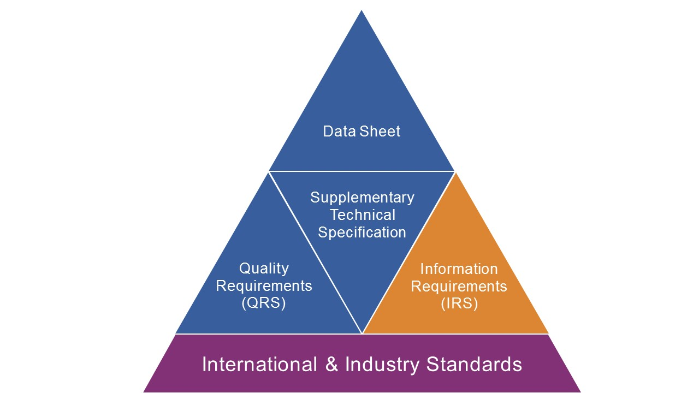
JIP33 Specification for Procurement Documents Information Requirements Specification

IOGPS-562L Version 3

Back


